Chart Types
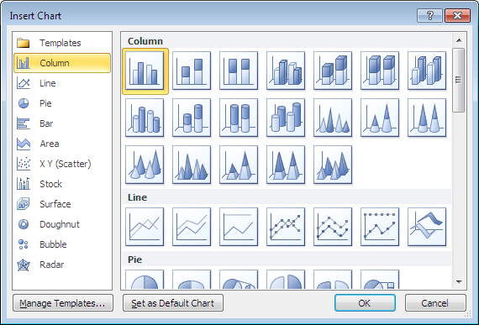
 | Excel Charts
Comparison
Correlation
3D Correlation
Trends
Portions
Relative to Center Point

